Indices

 | Iraq Stock Exchange
 | Bulletin No (75)
 | ISX Trading Indices of Sunday 3/5/2026

 | Traded Volume and OTC |  | 737,825,533 |  | Traded Value and OTC |  | 951,402,034 |  | Traders | 1083

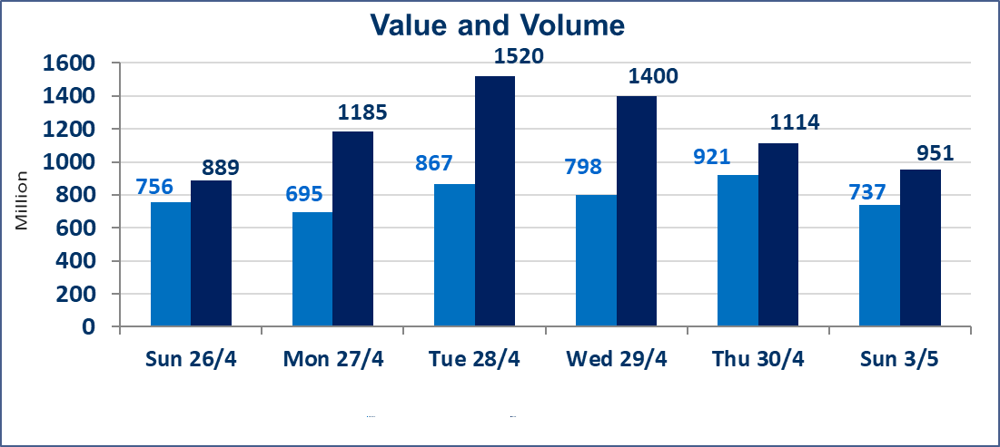
 | ISX Index 60 |  |  | 985.44 | ISX Index 15 |  |  | 1260.56
 | Previous ISX Index60 |  |  | 983.02 | Previous ISX Index15 |  |  | 1255.54
 | Change % |  |  | 0.25 | Change % |  |  | 0.40
 | Change |  |  | 2.42 | Change |  |  | 5.02

 | Listed Companies | 104 | OTC | 14 | Non Traded listed | 36 | OTC | 13
 | Traded Listed Companies | 57 | OTC | 1 | Higher Companies |  |  | 15
 | GAM Companies |  |  | 2 | Lower Companies |  |  | 5
 | Suspended Companies |  |  | 9
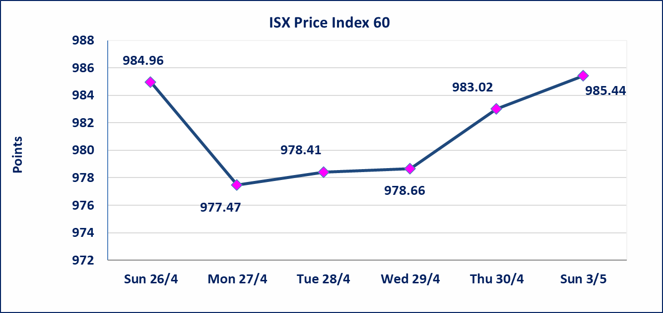
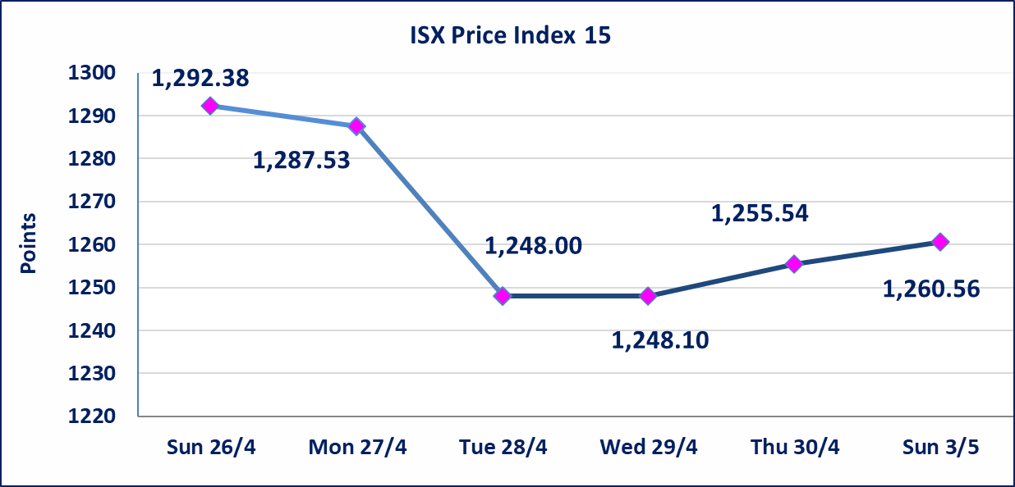

Al-Alwiya P.O . 3607 Mobile: 07711211522 - 07270094594 - 07834000034 E-mail: info-isx@isx-iq.net Web site:www.isx-iq.net

Top 5
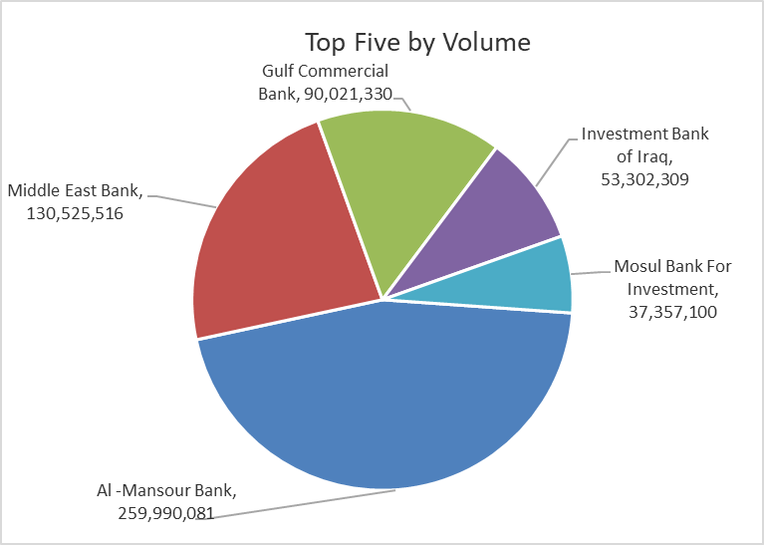
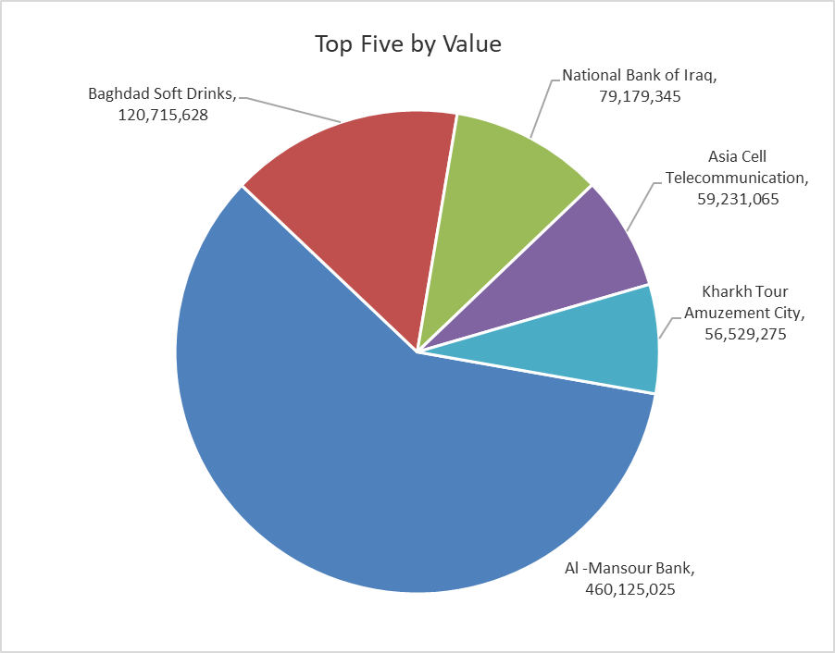

ISX top ganing and losing companies
Sunday 3/5/2026
 | Gainers |  |  |  | Losers
 | Company Name | Closing Price | Change (%) | Traded Volume | Company Name | Closing Price | Change (%) | Traded Volume
 | Al-Ameen for Financial Investment | 1.260 | 5.00 | 183,893 | Middle East Bank | 0.090 | -10.00 | 130,525,516
 | Al -Khazer Construction Materials | 1.300 | 4.84 | 5,255 | The Light Industries | 1.210 | -0.82 | 2,517,100
 | Economy Bank | 0.230 | 4.55 | 31,678,170 | Al-Khatam Telecom | 3.670 | -0.81 | 364,165
 | Rehab Karbalaa | 0.620 | 3.33 | 3,956 | Baghdad -Iraq Transportation | 23.320 | -0.34 | 463,551
 | Gulf Commercial Bank | 0.360 | 2.86 | 90,021,330 | Palestine Hotel | 18.560 | -0.22 | 182,195
 | The most active companies in term of traded volume and value

 | Traded Volume |  |  |  | Traded Value
 | Company Name | Closing Price | Change (%) | Traded Volume | Company Name | Closing Price | Change (%) | Traded Value
 | Al -Mansour Bank | 1.780 | 1.71 | 259,990,081 | Al -Mansour Bank | 1.780 | 1.71 | 460,125,025
 | Middle East Bank | 0.090 | -10.00 | 130,525,516 | Baghdad Soft Drinks | 6.160 | 0.00 | 120,715,628
 | Gulf Commercial Bank | 0.360 | 2.86 | 90,021,330 | National Bank of Iraq | 4.080 | 0.25 | 79,179,345
 | Investment Bank of Iraq | 0.230 | 0.00 | 53,302,309 | Asia Cell Telecommunication | 16.800 | 0.90 | 59,231,065
 | Mosul Bank For Investment | 0.140 | 0.00 | 37,357,100 | Kharkh Tour Amuzement City | 4.750 | 0.00 | 56,529,275

Non Iraqis

Iraq Stock Exchange
Non Iraqis' Bulletin Sunday May 3 2026
Regular Market

Non Iraqi Trading of Regular Market (Buy)
Company Names | Code | No.of trades | Traded Shares | Trading Volume
Industry Sector
Al-Mansour Pharmaceuticals Industries | IMAP | 2 | 50,000 | 113,500
Total Industry sector |  | 2 | 50,000 | 113,500
Telecommunication Sector
Asia cell | TASC | 1 | 15,000 | 250,500
Total Telecommunication sector |  | 1 | 15,000 | 250,500
Grand Total |  | 3 | 65,000 | 364,000

Non Iraqi Trading of Regular Market (Sell)
Company Names | Code | No.of trades | Traded Shares | Trading Volume
Banks Sector
National Bank Of Iraq | BNOI | 12 | 502,000 | 2,043,160
Total Bank sector |  | 12 | 502,000 | 2,043,160
Grand Total |  | 12 | 502,000 | 2,043,160

Non Iraqi Trading of Second Market (BUY)
Company Names | Code | No.of trades | Traded Shares | Trading Volume
Banks Sector
Region Trade Bank | BRTB | 1 | 200,000 | 202,000
Total Bank sector |  | 1 | 200,000 | 202,000
Grand Total |  | 1 | 200,000 | 202,000

Not Trading Bonds

Iraq Stock Exchange
Sunday 3/5/2026
Not Trading Bonds Bulletin
Bond type | Publish type | Code | last trading price | immortilize date
Banaa Bonds /Million ID | Second | CB20 | 964,981 | 19/12/2025
Eamar Bonds /Million ID | First | CB30 | 1,001,095 | ــــــــــــــــ
Eamar Bonds /Million ID | Second | CB40 | ــــــــــــــــ | ــــــــــــــــ
Eamar Bonds /500 Thousand ID | Third | CB45 | ــــــــــــــــ | ــــــــــــــــ
Eamar Bonds /Million ID | Third | CB50 | ــــــــــــــــ | ــــــــــــــــ
Injaz Bonds /500 Thousand ID | First | CB55 | ــــــــــــــــ | ــــــــــــــــ
Injaz Bonds /Million ID | First | CB60 | 951,110 | ــــــــــــــــ
Injaz Bonds /500 Thousand ID | Second | CB65 | 507,301 | ــــــــــــــــ
Injaz Bonds /Million ID | Second | CB70 | 965,050 | ــــــــــــــــ
Injaz Bonds /500 Thousand ID | Third | CB75 | ــــــــــــــــ | ــــــــــــــــ
Injaz Bonds /Million ID | Third | CB80 | 978,182 | ــــــــــــــــ
National Bonds/Million ID | First | CB90 | ــــــــــــــــ | ــــــــــــــــ
National Bonds/500 Thousand ID | Second | CB95 | ــــــــــــــــ | ــــــــــــــــ
National Bonds/Million ID | Second | CB100 | ــــــــــــــــ | ــــــــــــــــ

